Sheet1
ECE2100 Lab #4 - Operation Amplifier Circuits |  | Page 1 of 4 Fall 2018
Name: | Stephen Chin | Date of Lab: 9/1/2018
Lab Section: | 404 | Date of Submission: November 9, 2018
Instruments :
Components:
Software:
Spec Sheet Information (typical numbers)
Op Amp # UA741CP: (Gain)(BW) = N/A kHz, IIB = 20 nA, VIO = 1 mV, rin = 2 MW, rO = 75 W, CMRR = 90 dB
Op Amp # LF353: (Gain)(BW) = 4 MHz, IIB = 50 pA, VIO = 5 mV, rin = 1012 W, rO = N/A W, CMRR = 100 dB
 | Measured Component Values
Inverting Amplifier: R1 = .98721 W, R2= 97.15 kW, RL= 98.09 W +/-Vcc=6.01, - 6.01V
Differentiating Amplifier: R = 9.872 kW, C = 9.957 nF, +/-Vcc=6.01, -6.01 V
Open Loop Test Circuit |  | Open Loop Parameters
SMU1: Voltage Sweep: -10 to +10mV, 101 steps |  | UA741CP
SMU2: Voltage Meter: 10V Compliance |  | IIB = 30 nA, VIO = 1.2373 mV, rI > 0.04124 MW
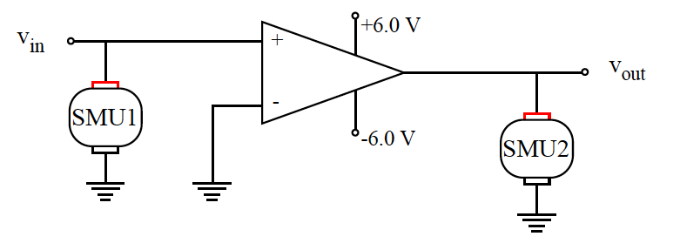
 |  | -VM = -10mV - Vcc = -6.02 V
 |  | +VM = 10mV + Vcc = +6.02 V
 |  | LF353
 |  | IIB ~ 9 pA, VIO = 3.035 mV, rI > W
 |  | -VM = -10mV - Vcc = -6.02 V
 |  | +VM = 10mV + Vcc = +6.02 V

 | Open Loop Response
Voltage Transfer Function |  | Input Current
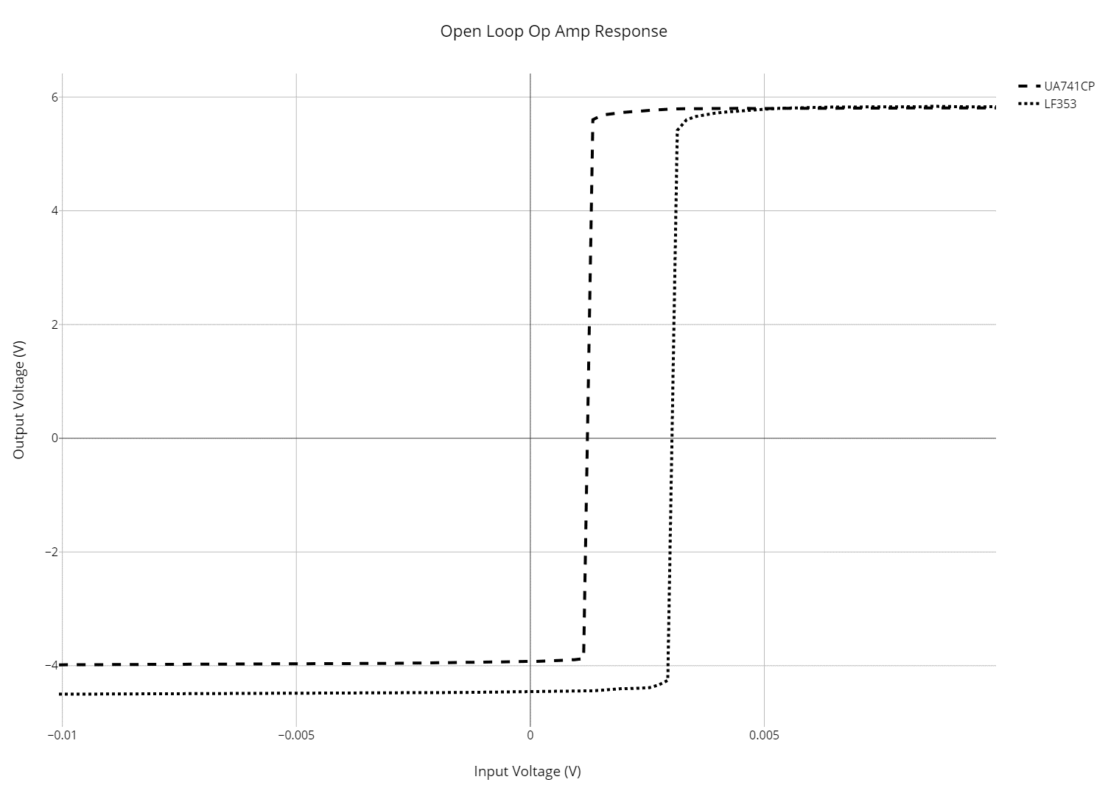
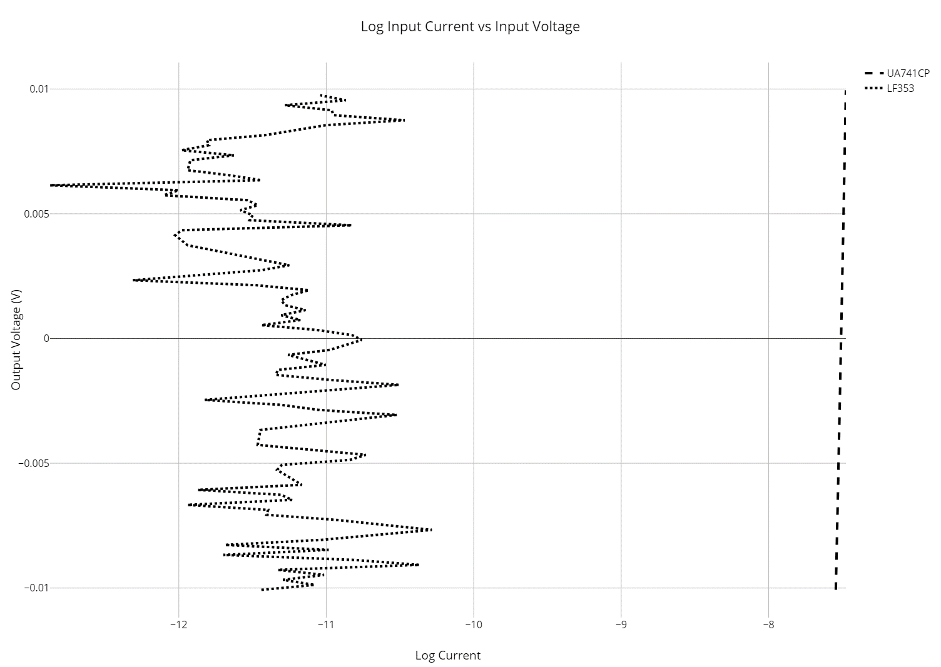

(place open loop voltage transfer |  | (place input current vs differential input voltage plot
characteristic here for both Op Amps) |  | here. One set of axes - log current vs. linear voltage.
(One Set of axes) |  | data for both Op Amps)
(Plot #1) |  | (Plot #2)

Comments on Open Loop Measurements:
Strangly, the left graph shows that there was a different VCC- on the UA741CP Op Amp than was on LF353. This is strange because we connected the same DC power supply to both Op Amps without changing any settings. The left graph shows that linear response of the UA741CP Op Amp happened at a lower input voltage than that of the LF353. On the right graph, the measured input current was fluctuating around 0 for the LF353, so I wasn't able to get an accurate graph.

ECE2100 Lab #4 - Operational Amplifier Circuits |  | Page 2 of 4 Fall 2018
 | Inverting Amplifier with the UA741CP
Inverting Amplifier Test Circuit (DC) |  | Inverting Amplifier Voltage Transfer Characteristic
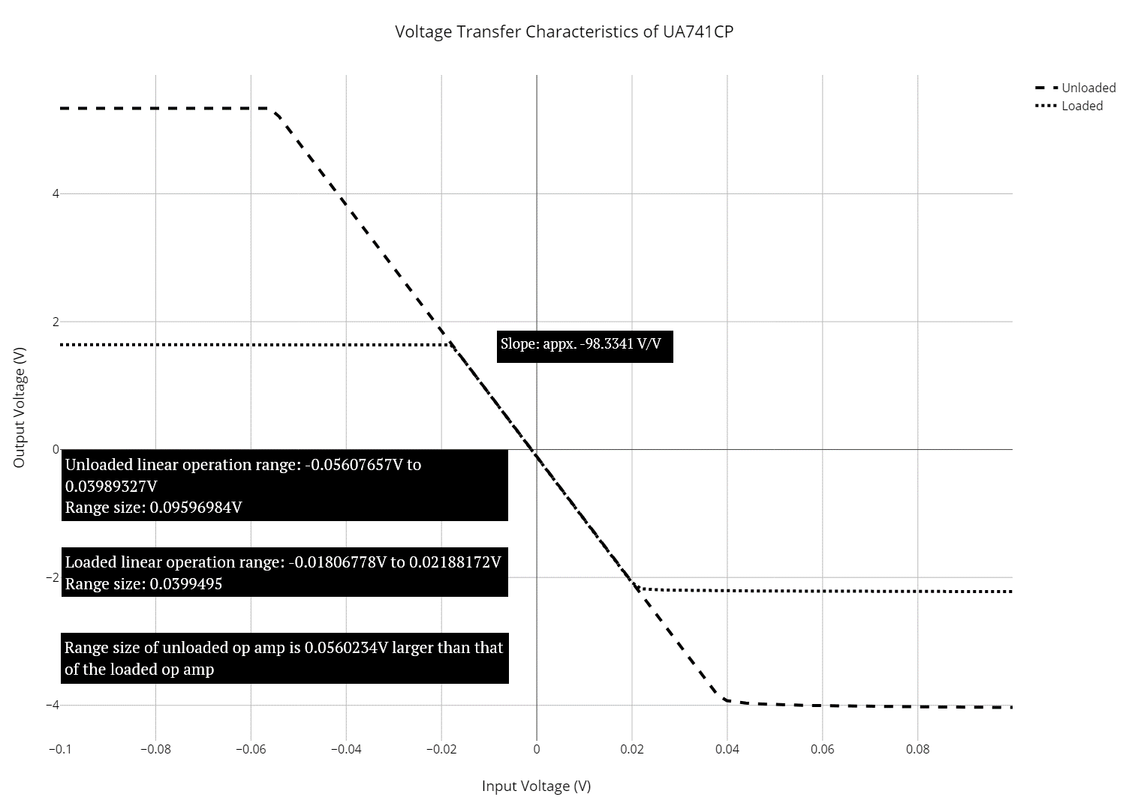
SMU1: Voltage Sweep: -100 to +100mV, 101 steps
SMU2: Voltage Meter: 10V Compliance
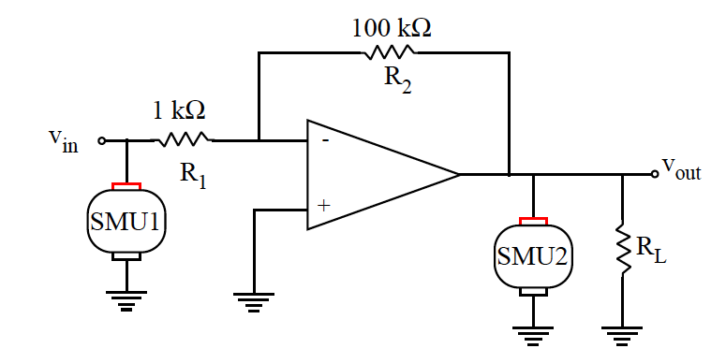

 |  | (place closed loop voltage transfer characteristics here.
 |  | one set of linear axes. 1 curve for the unloaded case
 |  | and 1 curve for the load used. Label slope clearly)
 |  | (Plot #3)

Input Voltage Linear Range
Load Resistance | Range (mV) | Change from 5.33V to 1.64V at positive stauration
No Load | -0.05607657 to +0.03989327
98.09 W | -0.01806778 to +0.02188172

 |  | Voltage Gain = 20log|vout/vin| = 20log|-71.108|= 37.038 dBs
Comments on Output Resistance of Inverting Amplifier:
Adding the output resistance reduced the range of the linear response in the op amp by appx. 0.56V. This is a significant change, compared to the original range of 0.9V, reducing the range by nearly half.

Comments on Voltage Transfer Function - Open vs. Closed Loop:
For the Closed Loop, the linear response had a much larger range than that of the open loop. Whereas the open loop saw a sudden spike in voltage between saturation voltages, the closed loop saw a very gradual change between staturation voltages.

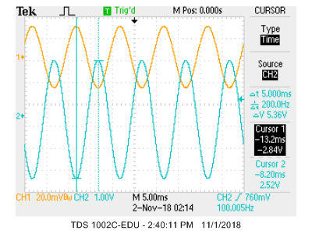
Inverting Amplifier Test Circuit (AC) |  | Inverting Amplifoer 100 Hz Waveforms
Func.Generator: 50mV P-t-P, Sine Wave, 100 Hz
Scope: DC coupling & CH1 triggering (external not working)
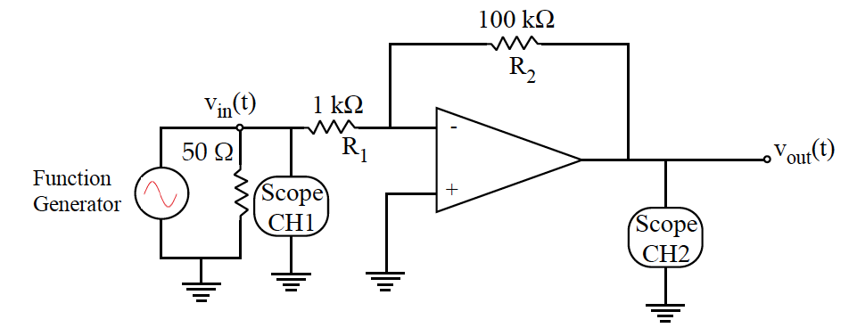

 |  | (place 100 Hz closed loop waveforms here)
 |  | (screen shot should show time cursurs)
 |  | (Screen Shot #1)

 |  | |Vout/Vin| = 47.86 = 33.6 dB Phase Shift = -180 °
ECE2100 Lab #4 - Operational Amplifier Circuits |  | Page 3 of 4 Fall 2018
Inverting Amplifier Bandwidth Spec |  | Inverting Amplifoerat Break Frequency (11.31 kHz)
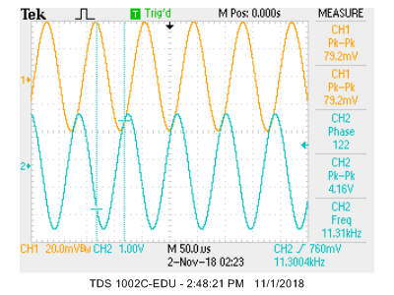
From Open Loop Voltage Gain vs. Frequency Plot
Gain = 40 dB = 100 (105)
Break Frequency = 100 Hz
Gain-BW = 100*100 = 10000 (105) Hz
Closed Loop Bandwidth Spec
Gain = 47.86 = 33.6 dB
Break Frequency = 11.31 kHz |  | (place screen shot here for break frequency illustration)
Gain-BW = 47.86*11310 = 5.4129 (105) Hz |  | (screen shot should show time cursurs)
Comment on Closed Loop Gain-BW Product |  | (Screen Shot #2)
Truthfully, I wasn't entirly sure on what to do for this part. I caluculated the Av at 1 Hz over sqrt 2, read the frequency, and multiplied the two numbers together to try and get the Gain, but the numbers were not as expected.

 |  | |Vout/Vin| = 52.52 = 34.406 dB Phase Shift =122 °
Differentiating Amplifier Circuit
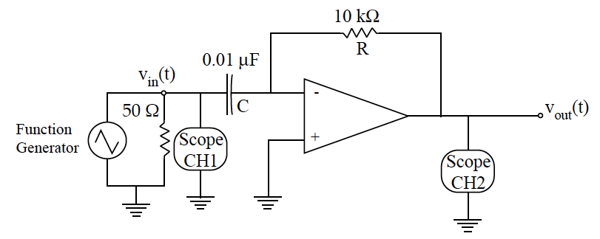

 | Differentiating Amplifier Waveforms
Func.Generator: 1V P-t-P, Triangle Wave, 200Hz |  | Func.Generator: 1V P-t-P, Sine Wave, 200 Hz
Scope: DC Coupling, CH2 Resolution |  | Scope: DC Coupling, CH2 Resolution
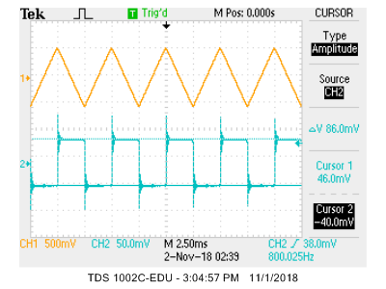
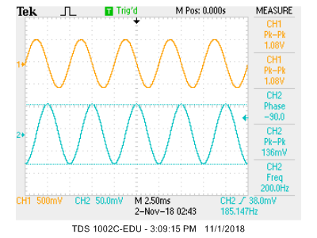

(place waveforms here for triangular wave response) |  | (place waveforms here for sine wave response)
(Screen Shot #3) |  | (Screen Shot #4)

vout(t)= 200 * | t%0.01-0.005 | - 0.5 |  | vout(t) = sin(200pi*t- 90o)
Comments on Differentiating Amplifier:
There is a mini underdamped response from the capacitor at each change peak on the triangle wave, because each peak acts as if it was a stepping edge for dv/dt.

ECE2100 Lab #4 - Operational Amplifier Circuits |  | Page 4 of 4 Fall 2018
Comments on Differentiating Amp Continued: |  | Output Voltage Amplitude - Triangular Wave Excitation
However, on the sinusoidal response, ther e is no clear evidence of an underdamped response on the graph, even though there is a constantly changing dv/dt.

 |  | (place measured versus predicted output voltage peak-to-peak
 |  | vs.triangular wave frequency. Use discrete points for measured
 |  | data and a smooth line for prediction.)
 |  | (Plot #4)

 |  | No measured data was found in my lab materials.

